Home
Study motivational quotes
"Don't study until you get it Right. Study until you can't get it Wrong"
"Don't wish it were easier; wish you were better." - Jim Rohn
"There are no shortcuts to any place worth going" - Beverly Sills
"you need to be able to do things that you don't want to do things that you want to do later." - anonymous Korean author

Profile of Me:
Name: Subin(Anna) Lee
From : South Korea
Education: Graduated from Langley Secondary
Studying in University of Waterloo



Long term Goal:
-Get decent job
-Earn enough money so that my parents can stop working
TODO LIST

Favourite picture of 2020:
 | edit button created
 | Asg userform
 | Meeting userform
Short Term Goal:
-Graduate from Waterloo University
-Exchange student to Other Country (Need to obtain average over 70)
 | Delete userform/Button
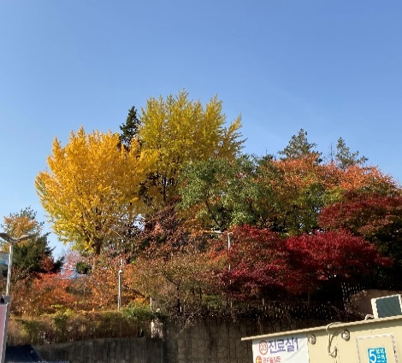
 | Todo list created
 | create chart for Asg(connect with tut)
 | create chart for Exam
 | what is at a glance--> userform?
 | look over project outline
 | figureout what at a glance should be
 | created combined input form
 | design
 | make the score button work
 | Output
 | at a glance button

Total | 15
Done | 14

Ready to sleep? | NO

Exams
EXAMS

exam chart
Course | Unit | Date | Weight | Exam Length (hr) | Ideal Mark | Actual Mark | Class avg | failing? | Time(in hrs) |  |  | Reflection
 |  |  |  |  |  |  |  |  | Assumed | Actual | Should've

 |  |  |  |  |  |  |  |  |  |  |  |  | F

 |  |  |  |  |  |  |  |  |  |  |  | How can I make each point at specifit date but have the x axis date?

